Instructions
TITLE |  | THINK LIKE AN ACCOUNTANT
 |  | Chapter 10
DATA PIVOTTABLE |  | The Data worksheet contains the sales data for Donovan Homes. The PivotTable will be created on the PivotTable worksheet.
STEPS | 1 | Read all steps before working with this workbook.
 | 2 | Click the Data worksheet tab to view the sales data.
 | 3 | Key your name in cell C2.
 |  | To create the PivotTable:
 | 4 | Click any single cell in the data.
 | 5 | On the Insert tab in the Tables group, click PivotTable. The Create PivotTable window appears.
 | 6 | Select the Existing Worksheet option.
 | 7 | Navigate to the PivotTable worksheet, click on cell A4, and click OK.
 |  | 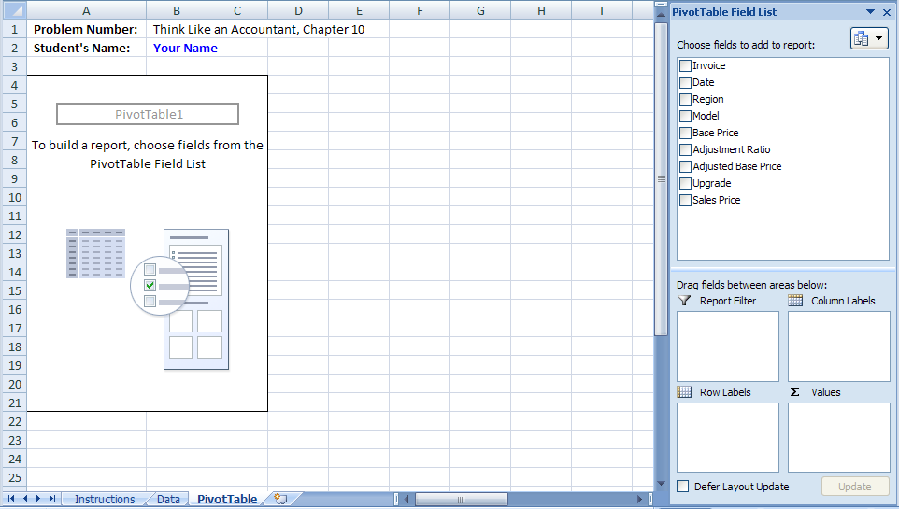
 |  | To answer question #1:
 | 8 | In the PivotTable Field List, click and drag Region to the Column Labels box.
 | 9 | Click and drag Model to the Row Labels box.
 | 10 | Click and drag Sales Price to the Values box.
 | 11 | Format the amounts in the table to Comma Style with 0 decimal places. Widen the columns as necessary to view the data in the PivotTable.
 | 12 | Click on any cell in the Grand Total column. Note that two new PivotTable Tools tabs open on the menu bar (above the Ribbon)--Options and Design.
 | 13 | On the PivotTable Tools Options tab in the Sort & Filter group, click Sort Largest to Smallest (Z to A).
 | 14 | Examine the PivotTable to answer the question.
 | 15 | Print the worksheet solution, as instructed by your teacher.
 |  | To answer question #2:
 | 16 | Click on any cell in the PivotTable to view the PivotTable Field List.
 | 17 | Move the Sum of Sales Price from the Values box back to the list of fields.
 | 18 | Click and drag Upgrade to the Values box.
 | 19 | On the PivotTable Tools Options tab in the Active Field group, click Field Settings.
 | 20 | Select Average and click OK.
 | 21 | Examine the PivotTable to answer the question.
 | 22 | Print the worksheet solution, as instructed by your teacher.
 |  | To answer question #3:
 | 23 | Click on any amount in the PivotTable.
 | 24 | Move the Average of Upgrade from the Values box back to the list of fields.
 | 25 | Click and drag Base Price to the Values box.
 | 26 | On the PivotTable Tools Options tab in the Active Field group, click Field Settings.
 | 27 | Select Count and click OK.
 | 28 | Click on the drop arrow in cell A5.
 | 29 | Unselect (Select All).
 | 30 | Select the models identified in the question and click OK.
 | 31 | Examine the PivotTable to answer the question.
 | 32 | Print the worksheet solution, as instructed by your teacher.
 | 33 | Save your work.

