Instructions
TITLE |  | THINK LIKE AN ACCOUNTANT
 |  | Chapter 14
DATA ANALYSIS |  | The Data worksheet contains a table of unpaid invoices as of December 31 of the prior year. Included in the list are the total payments received on each invoice during the current year. The final column of the table shows the amount written off as uncollectible. The Analysis worksheet will be used to perform your analysis.
STEPS | 1 | Read all steps before working with the workbook.
 | 2 | Click the Data tab to view the data.
 | 3 | Key your name in cell C2.
 |  | To create a PivotTable:
 | 4 | Click any single cell in the data.
 | 5 | On the Insert tab in the Tables group, click PivotTable.
 | 6 | Select the Existing Worksheet option.
 | 7 | Navigate to the Analysis worksheet, click on cell A4, and click OK. Your worksheet should appear similar to the following image.
 |  | 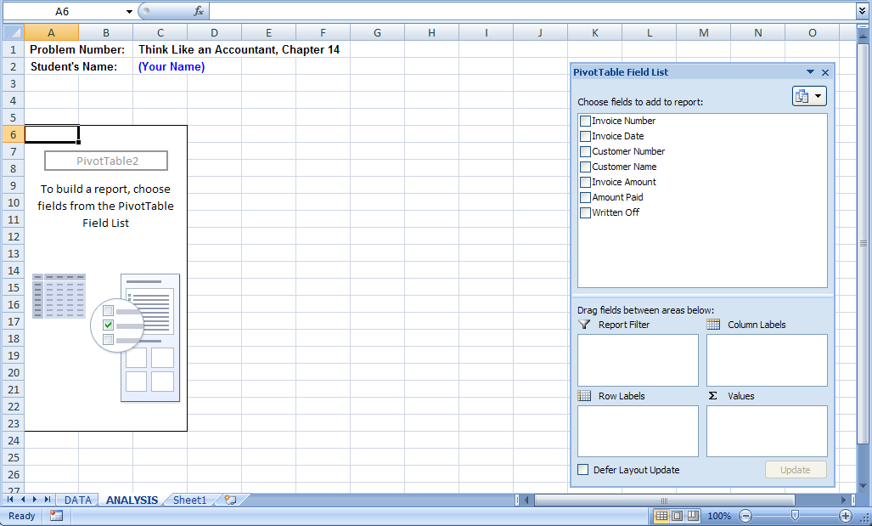
 | 8 | In the PivotTable Field List, click and drag Invoice Amount, Amount Paid, and Written Off to the Values box.
 | 9 | In the PivotTable Field List, click and drag Invoice Date to the Row Labels box. Your field list should appear as follows.
 |  | 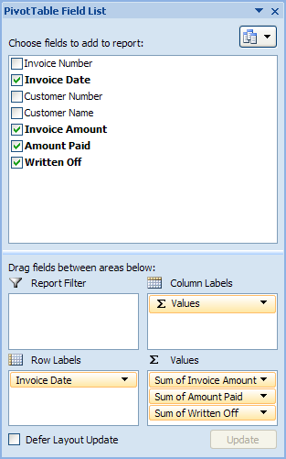
 | 10 | Right click on any date in column A.
 | 11 | Select Group.
 | 12 | Ensure that Months is selected.
 | 13 | Click OK. The PivotTable displays the totals of the three values for each month.
 | 14 | Click on the arrow in cell A4 and select Sort Newest to Oldest.
 |  | Creating formulas from values in a PivotTable requires advanced Excel skills. The following steps instruct you to create a copy of the PivotTable. Creating formulas using this copy will be less complex.
 | 15 | Highlight the PivotTable in cells A4:D12.
 | 16 | Copy the range to the Clipboard.
 | 17 | Position the cell pointer at A16.
 | 18 | On the Home tab in the Clipboard group, select the arrow under the Paste option.
 | 19 | Select Paste Values.
 | 20 | Format the numbers in the table to be displayed with dollar signs and two decimal places.
 |  | To calculate the percent of accounts written off each month:
 | 21 | At cell E16, enter the label Percentage.
 | 22 | At cell E17, enter a formula to divide the Sum of Written Off by the Sum of Invoice Amount.
 | 23 | Copy the formula in cell E17 to cells E18:E23.
 | 24 | Format number values in column E to be displayed with a percentage sign and one decimal place.
 | 25 | Modify the labels in column A to reflect the aging of accounts receivable. For example, change Dec to Current, Nov to 1-30 Days, etc. On December 31, any invoice having a December date would be considered a current accounts receivable, any invoice having a November date would be 1-30 days past due, etc.
 | 26 | Make any other changes in the table headings and format you consider appropriate.
 | 27 | Use the table to answer the questions.
 | 28 | Print the Analysis worksheet, as instructed by your teacher.
 | 29 | Save your work.

