Instructions
TITLE |  | THINK LIKE AN ACCOUNTANT
 |  | Chapter 22
LINDSAY GREEN BURGIN |  | Each worksheet contains a financial statement for a corporation.
STEPS | 1 | Read all steps before working with the workbook.
 | 2 | Click the Lindsay tab to view an income statement.
 | 3 | Key your name in cell C2.
 |  | Custom formatting tools are used to create cell formats other than those provided by Excel. The income statement on the Lindsay worksheet will be formatted to show amounts rounded to the nearest thousand dollars.
 | 4 | Position the cell pointer on D12.
 | 5 | On the Home tab in the Number group, click the Dialog Box Launcher, the small arrow located in the lower right corner of the Number group.

 | 6 | Click on the Number tab and select Custom in the left panel.
 | 7 | Enter #,###, in the Type box. Watch the sample above the Type box change as each symbol is entered. The window should appear as shown below.
 |  | 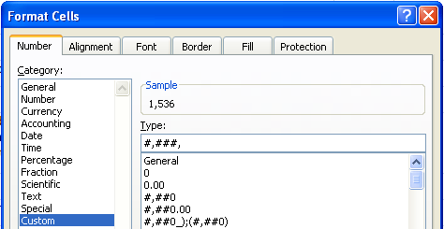
 |  | The value 1535796.47 will be displayed as 1,536. The # signs instruct Excel to display any digit in that location of the number. The commas denote where Excel should enter thousand separators. Since no # symbols appear to the right of the second comma, no further digits are displayed. Thus, the 796.47 portion of the number is not displayed.
 | 8 | Click OK.
 |  | The custom format has been saved in the custom format list and is available to format other cells in this worksheet.
 | 9 | Highlight cells D12:E34.
 | 10 | On the Home tab in the Number group, click the Dialog Box Launcher.
 | 11 | Click on the Number tab and select Custom in the left panel.
 | 12 | Select the #,###, format located near the bottom of the Type box list.
 | 13 | Click OK.
 | 14 | Enter "(In thousands of dollars)" in cell C8.
 |  | Some people prefer to view numbers with the correct number of digits, but with the insignificant digits rounded. For example, 123,456 would be displayed as 123,000. Prepare Green Company's income statement using this format.
 | 15 | Click the Green tab to view an income statement.
 | 16 | Position the cell pointer on D11.
 | 17 | On the Home tab in the Number group, click the Dialog Box Launcher.
 | 18 | Click on the Number tab and select Custom in the left panel.
 | 19 | Enter #,###,",000" in the Type box.
 |  | The value 9431588.96 will be displayed as 9,432,000. The #,###, is the same format used on the Lindsay worksheet. The ",000" instructs Excel to display these characters after the number. Characters surrounded by quotation marks are treated as text.
 | 20 | Click OK.
 | 21 | Use this custom format to format the other numbers on the financial statement.
 |  | Using your knowledge of custom formatting, format the balance sheet for Burgin International, Inc.
 | 22 | Click the Burgin tab to view a balance sheet.
 | 23 | Select the custom formatting options and level of rounding appropriate for this financial statement.
 | 24 | Print the worksheet solutions, as instructed by your teacher.
 | 25 | Save your work.

