Instructions
TITLE |  | THINK LIKE AN ACCOUNTANT
 |  | Chapter 23
EQUITY INCOME |  | The Equity worksheet contains a statement of owners' equity. The Income worksheet contains an income statement.
STEPS | 1 | Read all steps before working with the workbook.
 | 2 | Click the Equity tab to view a statement of owner's equity.
 | 3 | Key your name in cell B2.
 |  | The grouping tool allows you to show or hide a group of rows. The tool is useful in condensing portions of a financial statement to hide rows that provide more detail than required by the reader.
 |  | Suppose the reader may only be interested in seeing the net increase in capital for each partner. Perform the following steps to hide the share of net income and withdrawals for each partner.
 | 4 | Highlight rows 11 and 12 by clicking and dragging in the row headings, as shown below.

 | 5 | On the Data tab in the Outline group, select Group. The outline symbols appear in the left margin, as shown below.

 | 6 | Click on the negative outline symbol by row 13 to hide rows 11 and 12.
 |  | Note that Janet Kelly's net increase in capital appears in row 13. Thus, the amounts used to calculate this number are hidden, with only the net amount being displayed.
 | 7 | Repeat the steps above to hide rows 17 and 18.
 |  | Suppose the reader may also only be interested in the ending capital balance for each partner. Perform the following steps to hide all the detail except the ending capital balances.
 | 8 | Group rows 10 to 13.
 | 9 | Group rows 16 to 19.
 | 10 | Select the negative outline symbol for each partner (by rows 14 and 20). The left margin of the worksheet appears as shown below.
 |  | 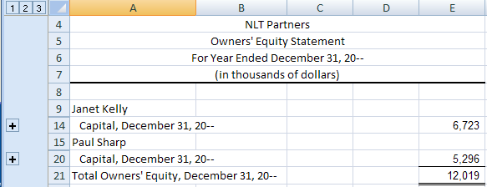
 |  | Note that outline symbols 1 2 3 appear at the top of the left margin. These level symbols allow the reader to view the statement at three different levels of grouping.
 | 11 | Click on outline symbol 3. Every line of the statement is displayed.
 | 12 | Click on outline symbol 2. Only the detail of the net increase in capital is hidden.
 |  | Suppose Janet Kelly wants to see a statement with the detail of her capital account, but only the ending balance for Paul Sharp.
 | 13 | Click the plus outline symbol on row 13 to show all rows for Janet Kelly.
 | 14 | Click the negative outline symbol on row 20 to hide rows 16 to 19 containing detailed information for Paul Sharp. The statement appears as shown below.
 |  | 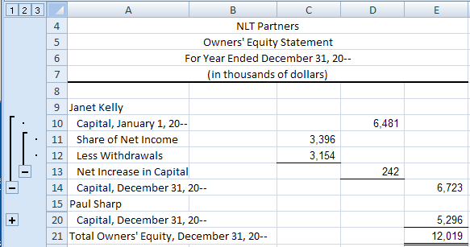
 | 15 | Use the skills you have learned to enable managers to modify the level of detail in the income statement on the Income worksheet. At level 1, the statement should only show sales, cost of merchandise sold, gross profit, etc. Yet any manager should be able to view the detail of any financial statement group, such as selling expenses at its Charlotte office.
 | 16 | Print the worksheet solution, as instructed by your teacher.
 | 17 | Save your work.

